records
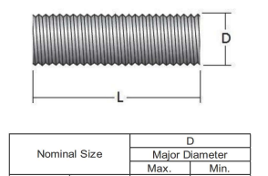
Sample Measurement Record
Mano Engineering LLC |  |  | Part No. 91197736
No. | D | L
1 | 0.3625 | 6.569
2 | 0.3620 | 6.554
3 | 0.3625 | 6.3825
4 | 0.3625 | 6.518
5 | 0.3630 | 6.5065

